Train on Full Data
Univariate NN | Test data from train/test split | All-day evaluation data | Peak hour Evaluation data
Flow MAE | 35.803667903 | 42.290498947 | 42.737895306
Flow MSE | 2647.5992254 | 3843.7532055 | 4029.5926319
Flow R² | 0.96712193038 | 0.95360847983 | 0.94033141847
Speed MAE | 0.32766934677 | 0.36875247917 | 0.36432164294
Speed MSE | 0.46854915225 | 0.7092683811 | 0.7442996233
Speed R² | 0.88809666892 | 0.84445552639 | 0.83066467829

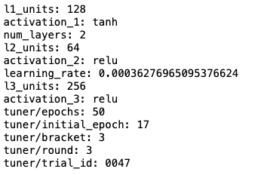
Multivriate NN | Test data from train/test split | All-day evaluation data | Peak hour Evaluation data
Flow MAE | 36.416876815 | 42.052270204 | 42.454134325
Flow MSE | 2685.1401549 | 4032.5588486 | 3955.5589172
Flow R² | 0.96665574453 | 0.9513297225 | 0.94142767984
Speed MAE | 0.30901298638 | 0.36715719433 | 0.36425004324
Speed MSE | 0.42062113982 | 0.81936729504 | 0.84953568841
Speed R² | 0.89954328923 | 0.82031053689 | 0.80672246149

Univariate RFR | Test data from train/test split | All-day evaluation data | Peak hour Evaluation data
Flow MAE | 30.084 | 44.364 | 45.241
Flow MSE | 1899.372 | 4281.085 | 4576.085
Flow R² | 0.976 | 0.948 | 0.932
Speed MAE | 0.265 | 0.391 | 0.387
Speed MSE | 0.326041 | 0.737881 | 0.797449
Speed R² | 0.922 | 0.838 | 0.819

Multivariate RFR | Test data from train/test split | All-day evaluation data | Peak hour Evaluation data
Flow MAE | 30.092 | 44.342 | 45.269
Flow MSE | 1902.529924 | 4273.2369 | 4585.050369
Flow R² | 0.976 | 0.948 | 0.932
Speed MAE | 0.312 | 0.449 | 0.444
Speed MSE | 0.373321 | 0.988036 | 1.008016
Speed R² | 0.911 | 0.783 | 0.771

